Question
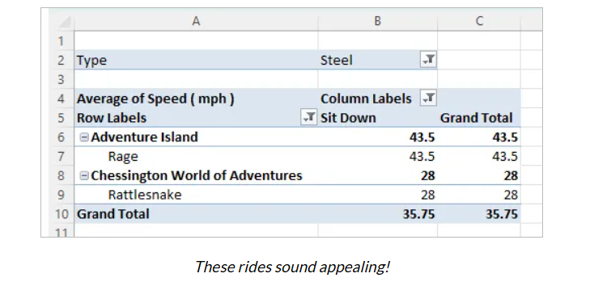
Question -- Convert this data into a pivot table and find the overall average speed of all rides that satisfy the following criteria: The Type is Steel The Design is Sit Down The Amusement Park has the word adventure somewhere in the title Having narrowed your data down, you should get to this point

